Sheet3

ENGLISH PREMIERE LEAGUE CLUB PERFORMANCE

Man City
Man United
Chelsea

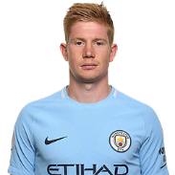
Man City Total Performance
2009 | 163
2010 | 282
2011 | 324
2012 | 256
2013 | 410
2014 | 528
2015 | 562
2016 | 848
2017 | 641
2019 | 692
Man City Average Performance
2009 | 23
2010 | 28
2011 | 25
2012 | 37
2013 | 32
2014 | 48
2015 | 43
2016 | 61
2017 | 58
2019 | 69

